Sheet1
** For education only

CRR European/American Option Value
INPUT
Share price (S) |  |  | 70.00 |  | Cox, Ross & Rubinstein
Exercise price (X) |  |  | 80.00
risk free rate (r) continuous |  |  | 12.00% | rate | ∆t | 0.08333 | delta t
Option life (T, years) |  |  | 0.25 |  | DF node | 0.99005 | DF = e -rΔt
Volatility (s) |  |  | 20.00% | vol | u | 1.05943
Steps in tree (n) |  |  | 3 |  | d | 0.94390
option type (Call or Put) |  |  | Call |  | p | 0.57256

OUTPUT
Share Value
Node -> | 0 | 1 | 2 | 3
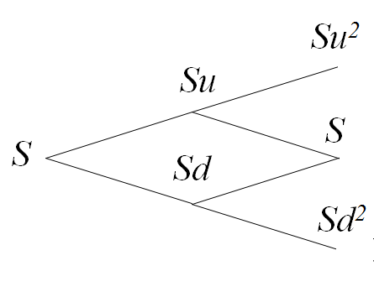
 | 70.00 | 74.16 | 78.57 | 83.24
 |  | 66.07 | 70.00 | 74.16
 |  |  | 62.37 | 66.07
 |  |  |  | 58.87

European Call Option Value
Node -> | 0 | 1 | 2 | 3
 | 0.59 | 1.04 | 1.84 | 3.24 | MAX (S-X,0)
 |  | 0.00 | 0.00 | 0.00
 |  |  | 0.00 | 0.00
 |  |  |  | 0.00

European Put Option Value
Node -> | 0 | 1 | 2
 | 8.23 | 5.30 | 2.47 | 0.00 | MAX (X-S,0)
 |  | 12.34 | 9.20 | 5.84
 |  |  | 16.84 | 13.93
 |  |  |  | 21.13

Put Call Parity - Validation
Call | 0.59 | 0.59 | C
Put | 8.23
Stock | 70
Xe-rt | 77.635642684 | 0.59 | P + S - Xe-rT

 | P-C Parity Checking | 0.00

